Graph
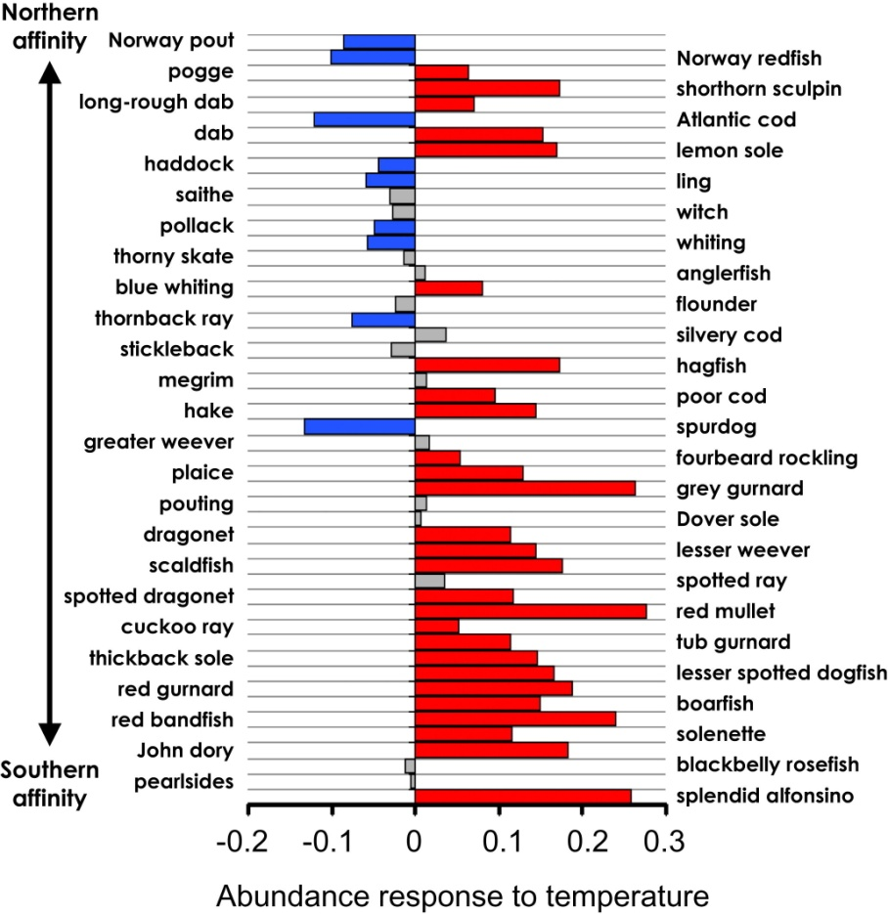
 | fish
splendid alfonsino | 0.26
pearlsides | 0
blackbelly rosefish | 0
John dory | 0.18
solenette | 0.11
red bandfish | 0.24
boarfish | 0.15
red gurnard | 0.19
lesser spotted dogfish | 0.19
thickback sole | 0.15
tub gurnard | 0.11
cuckoo ray | 0.05
red mullet | 0.28
spotted dragonet | 0.12
spotted ray | 0
scaldfish | 0.18
lesser weever | 0.14
dragonet | 0.11
dover sole | 0
pouting | 0
grey gurnard | 0.26
plaice | 0.13
fourbeard rockling | 0.05
greater weever | 0
spur dog | -0.13
hake | 0.14
poor cod | 0.1
megrim | 0
hagfish | 0.17
stickleback | 0
silvery cod | 0
thornback ray | -0.08
flounder | 0
blue whiting | 0.08
anglerfish | 0
thorny skate | 0
whiting | -0.06
pollack | -0.05
witch | 0
saithe | 0
ling | -0.06
haddock | -0.04
lemon sole | 0.17
dab | 0.15
atlantic cod | -0.12
long-rough dab | 0.07
shorthorn sculpin | 0.17
pogge | 0.06
norway redfish | -0.1
norway pout | -0.09

