Drill down data
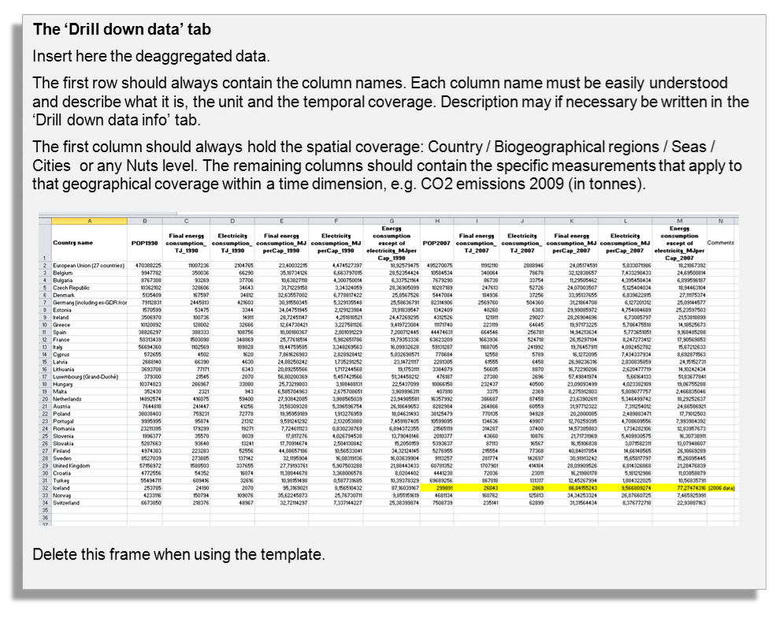
Countries / Regions / Seas / Cities / | Col1 | Col2 | Col3 | Col4 | Col5 | Col6 | Col7 | Col8 | Col9 | Col10 | Col11 | Col12

Drill down data info
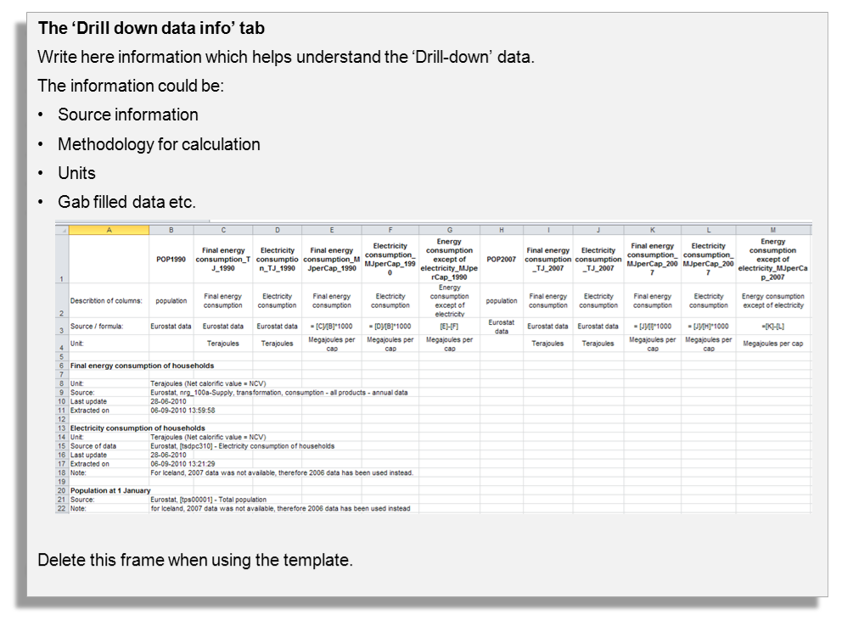

Graph
 | GMSL _RECONS (mm) (Reconstruction, 1880 to 2009, yearly) | GMSL uncertainty_low | GMSL uncertainty_high | GMSL_ALT (Satellite altimeter data, 1993 to 2009, yearly)
1880.5 | -157.1 | -181.30 | -132.90
1881.5 | -151.5 | -175.70 | -127.30
1882.5 | -168.3 | -191.30 | -145.30
1883.5 | -163 | -185.80 | -140.20
1884.5 | -142.1 | -164.30 | -119.90
1885.5 | -143.6 | -165.50 | -121.70
1886.5 | -146 | -166.80 | -125.20
1887.5 | -151.6 | -172.40 | -130.80
1888.5 | -149.5 | -170.30 | -128.70
1889.5 | -147.9 | -168.70 | -127.10
1890.5 | -145.9 | -166.60 | -125.20
1891.5 | -147.6 | -168.30 | -126.90
1892.5 | -144.4 | -165.10 | -123.70
1893.5 | -139.7 | -160.00 | -119.40
1894.5 | -149.4 | -171.00 | -127.80
1895.5 | -137.6 | -159.20 | -116.00
1896.5 | -145.2 | -166.40 | -124.00
1897.5 | -140 | -160.80 | -119.20
1898.5 | -130.6 | -150.30 | -110.90
1899.5 | -123.1 | -142.50 | -103.70
1900.5 | -128.5 | -146.80 | -110.20
1901.5 | -128.9 | -146.50 | -111.30
1902.5 | -124.3 | -141.60 | -107.00
1903.5 | -116.3 | -133.30 | -99.30
1904.5 | -126.6 | -143.50 | -109.70
1905.5 | -132.1 | -147.50 | -116.70
1906.5 | -125.3 | -140.00 | -110.60
1907.5 | -126.7 | -141.60 | -111.80
1908.5 | -129.2 | -143.70 | -114.70
1909.5 | -124.7 | -139.30 | -110.10
1910.5 | -124.8 | -139.40 | -110.20
1911.5 | -116.5 | -130.70 | -102.30
1912.5 | -119.6 | -133.80 | -105.40
1913.5 | -117.8 | -131.90 | -103.70
1914.5 | -111.5 | -125.30 | -97.70
1915.5 | -103.6 | -117.20 | -90.00
1916.5 | -105.5 | -118.50 | -92.50
1917.5 | -110 | -122.80 | -97.20
1918.5 | -111.6 | -124.30 | -98.90
1919.5 | -110 | -122.70 | -97.30
1920.5 | -108.7 | -121.70 | -95.70
1921.5 | -106.6 | -119.70 | -93.50
1922.5 | -107.5 | -120.70 | -94.30
1923.5 | -106.3 | -119.30 | -93.30
1924.5 | -113.6 | -126.70 | -100.50
1925.5 | -111.6 | -125.20 | -98.00
1926.5 | -105.1 | -118.80 | -91.40
1927.5 | -106.2 | -119.10 | -93.30
1928.5 | -110.1 | -122.40 | -97.80
1929.5 | -108.7 | -120.80 | -96.60
...

