Drill down data
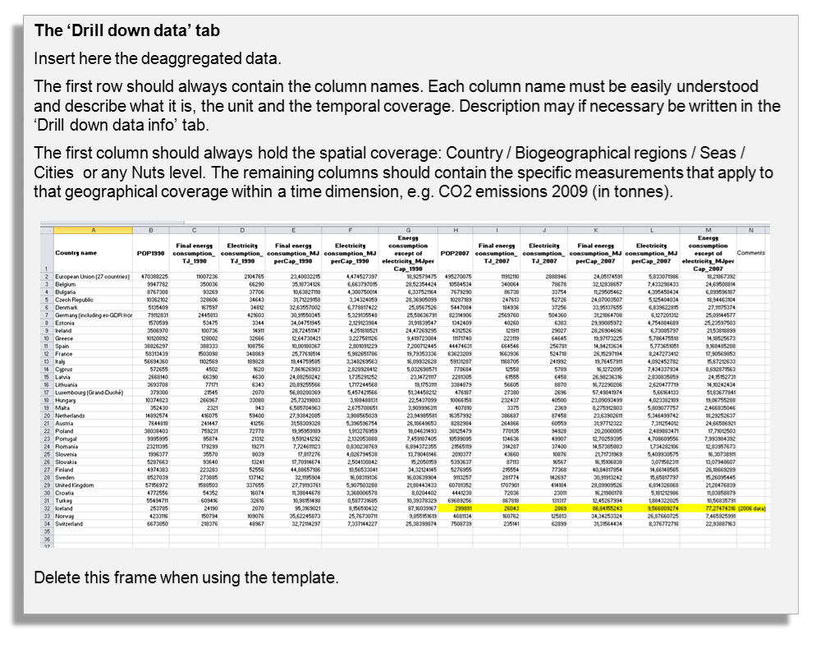
Countries / Regions / Seas / Cities / | Col1 | Col2 | Col3 | Col4 | Col5 | Col6 | Col7 | Col8 | Col9 | Col10 | Col11 | Col12

Drill down data info
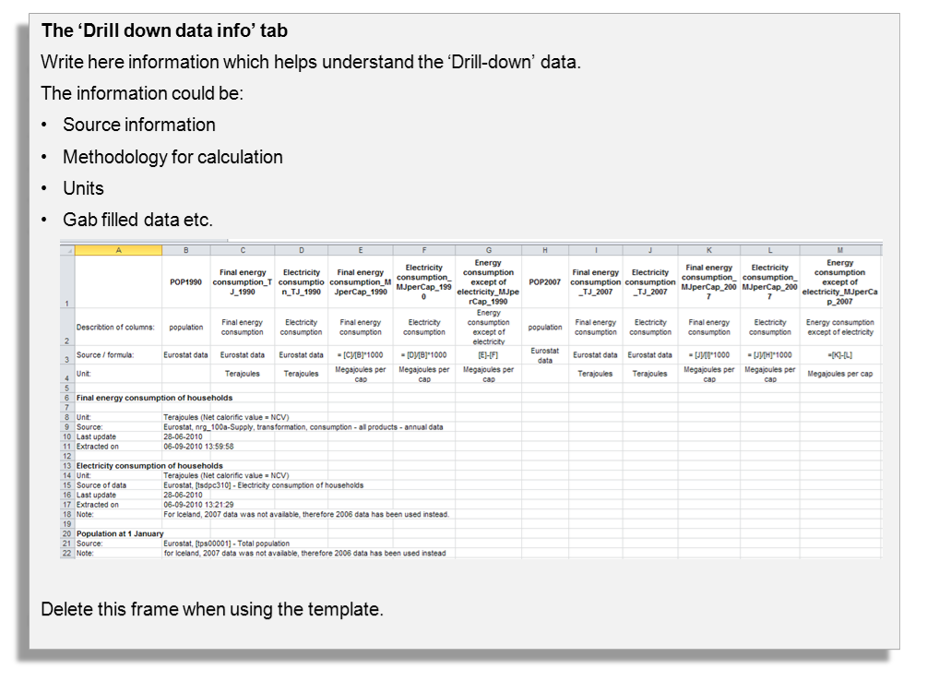

Graph
 | annual | 15-yr moving average
 | 130,000
 | 130,000
 | 78,000
 | 220,000
 | 78,000
 | 79,000
 | 360,000
 | 132,000 | 173266.66667
 | 220,000 | 169933.33333
 | 281,000 | 176000
 | 79,000 | 179533.33333
 | 279,000 | 183933.33333
 | 220,000 | 193200
 | 182,000 | 215933.33333
 | 131,000 | 199600
 | 80,000 | 197800
 | 221,000 | 189133.33333
 | 131,000 | 177666.66667
 | 286,000 | 193066.66667
 | 217,000 | 190800
 | 420,000 | 202800
 | 115,000 | 210666.66667
 | 105,000 | 223066.66667
 | 90,000 | 223333.33333
 | 109,000 | 233933.33333
 | 310,000 | 241200
 | 245,000 | 229466.66667
 | 400,000 | 243000
 | 300,000 | 237000
 | 317,000 | 236000
 | 84,000 | 254400
 | 380,000 | 272400
 | 240,000 | 271800
 | 110,000 | 276466.66667
 | 420,000 | 270533.33333
 | 330,000 | 255200
 | 100,000 | 243466.66667
 | 381,000 | 228333.33333
 | 360,000 | 234733.33333
 | 100,000 | 224733.33333
 | 380,000 | 230333.33333
 | 156,000 | 244333.33333
 | 170,000 | 222333.33333
 | 124,000 | 224333.33333
 | 90,000 | 239666.66667
 | 180,000 | 237200
 | 230,000 | 219866.66667
 | 324,000 | 232600
 | 320,000 | 226000
 | 90,000 | 229600
...

