Pies
Total landings, 1 775.9 kT
 | Widely | Total landings (kT)**
 | 11332.6 | 1775.9

Arctic Ocean, 1 494.9 kT
 | Arctic Ocean
 | 1222867
 | 64541
 | 207479
Total landings, 1 474.3
 | Arctic Ocean
 | 1474.3

Widely, 3 624 kT
 | Widely
 | 3622880
 | 7123
 | 1508

Total landings, 1 775.9 kT
 | Total landings (kT)**
 | 1775.9

Greater North Sea, 1 496.8 kT
 | Greater North Sea
 | 790426
 | 0
 | 706405

Total landings, 282 kT
 | Western Med.
 | 282.0
 | Iceland, Greenland and Faroes
 | 967.1
 |  |  |  |  | Total landings, 385.3 kT |  |  | Total landings, 967.1 kT
 | Black Sea
 | 0
 | 0
 | 20657.4
Total landings, 710.3 kT
 | Total landings (kT)**
Total landings (kT)** | 710.3
 | Black Sea
 | 0
 | 0
 | 20657.4
 | Iceland, Greenland and Faroes
 | 326642
 | 44181
 | 3027
 | Western Med.
 | 17466.309
 | 36037.4
 | 0
Baltic Sea, 701.2 kT
 | Baltic Sea
 | 674969
 | 0
 | 26230

 | Western Med, 53.5 kT |  | Black Sea, 20.7 kT

 |  |  |  |  |  | Iceland, Greenland and Faroes, 373.9 kT
 |  | Total landings 170.8 kT |  |  | Total landings, 54 kT
 | Eastern Med.
 | 0
 | 20265.4
 | 0
 | Oceanic
 | 54.0
 | 10.5
 |  |  |  |  |  |  |  | Total landings, 10.5 kT
 | Eastern Med.
 | 0
 | 20265.4
 | 0
 | Azores
 | 0
 | 0
 | 499
Landings, 409.8 kT
 | BoBiscay & Iberia
 | 409.8
 |  |  | Oceanic, 0 kT
 | Eastern Mediterranean, 20.3 kT |  |  |  |  |  | Azores, 0.5 kT

 |  | Total landings, 311.4 kT |  | Total landings, 314.9 kT
Bay of Biscay and Iberian Coast, 193.4 kT
 | BoBiscay & Iberia
 | 146721
 | 3412
 | 43232
 | Central Med.
 | 311.4
 | Central Med.
 | 1398
 | 0
 | 4160
 | Celtic Seas
 | 314.9
 | Celtic Seas
 | 79876
 | 4481
 | 26823
 | Central Med.
 | 1398
 | 0
 | 4160

Bay of Biscay and Iberian Coast, 193.4 kT |  |  | Celtic Seas, 111.2 kT
 | Central Mediterranean, 5.6 kT

CSI032
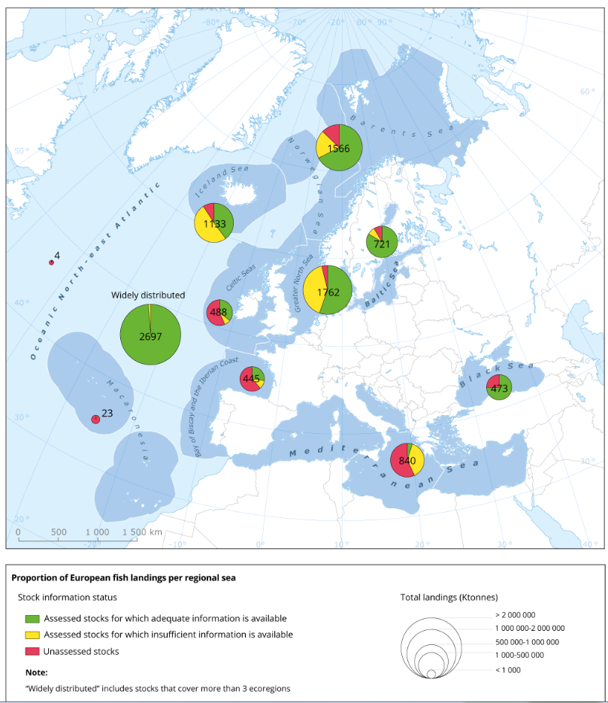
Map produced in 2018

